Spectrum Infos
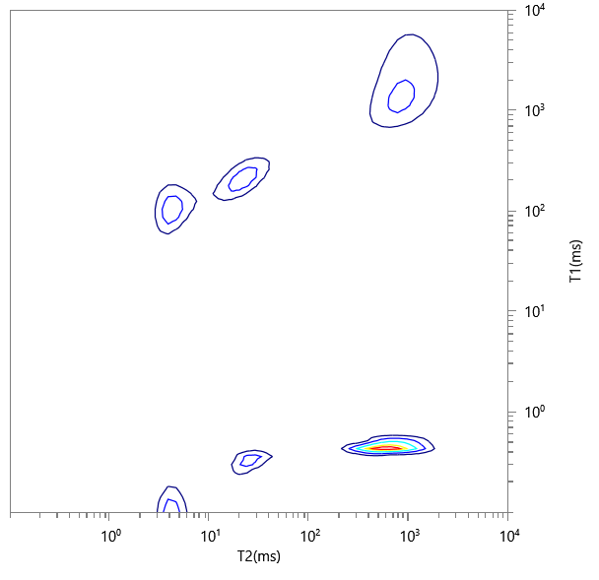
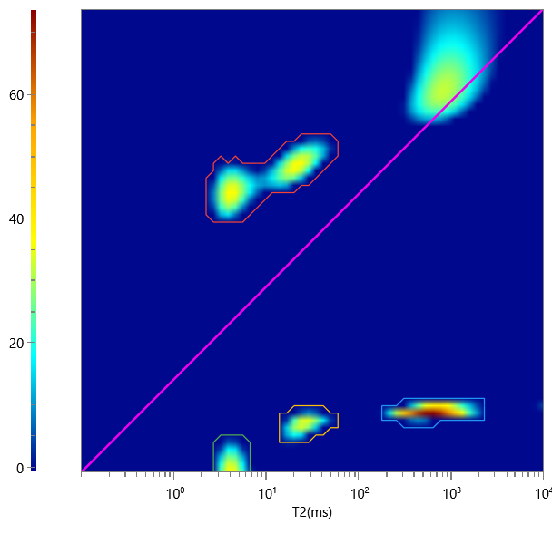
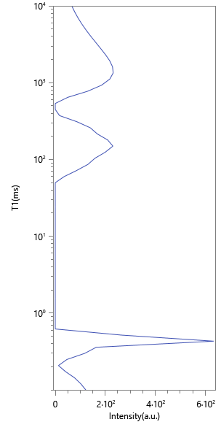
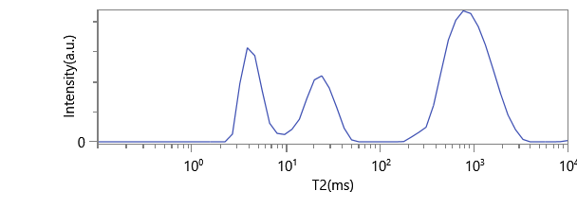
No. | ∫∫ | Content | HI | Saturation
1 | 895.123 | 0.295 | 1 | 0.295
2 | 1461.165 | 0.481 | 1 | 0.481
3 | 328.937 | 0.108 | 1 | 0.108
4 | 351.717 | 0.116 | 1 | 0.116

